Pricing Analysis

 |  |  | PROPERTY ANALYSIS
 |  |  | Income Expense Summary

4 Units
Property Address |  | 3943 W 178th St
 |  | Torrance, CA 90504
INCOME |  |  |  |  | Date | 2016-06-14
Actuals |  |  |  |  | Period | 2015/2016
Scheduled Rents - Annual |  |  | $79,740.00 | *
Laundry/Other Income |  |  | $0.00 | **
Subtotal |  |  |  |  | $79,740.00
Less Vacancy % |  | 5.0% |  |  | $3,987.00
Bad Debt
Effective Rents |  |  |  |  |  |  | $75,753.00
EXPENSES

Cash
 | Taxes |  | $16,250.00
 | Insurance |  | $2,200.00
 | Licensing |  | $0.00
 | Water & Sewer |  | $3,000.00
 | Trash |  | $1,500.00
 | Electric |  | $540.00
 | Maint & Repair |  | $3,000.00
 | Reserves |  | $800.00
 | Gas |  | $1,200.00
 | Gardener |  | $720.00
 | Mgmt |  | $0.00
 | Total Expenses |  |  |  | $29,210.00

* Unit 4 Vacant and Proforma Rent |  |  |  | NOI |  |  | $46,543.00
of $1800 per month used. |  |  |  | Cap Rate |  |  | 3.60%
 |  |  |  | GRM |  |  | 16.18
** Additional Laundry Income Unknown |  |  |  | Market Value |  |  | $1,290,000 | $13,340,000

Rental Comps


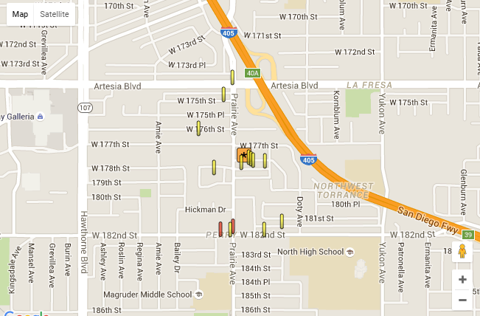

Rent Roll


Unit | Bedroom | Bath | Actual Rents | Proforma Rents
1 | 3 | 2 | 1350 | 2100
2 | 3 | 2 | 1800 | 2100
3 | 3 | 2 | 1695 | 2100
4 | 3 | 1.5 | 1800* | 1800
Monthly Total |  |  | 6645 | 8100
Annual Total |  |  | 79740 | 97200

*Proforma used, Unit #4 is Currently Vacant

Sales Comps


Address | Units | Gross Income | GRM | Price Per Sq Ft | NOI | Cap Rate* | Sale Price
18536 Roslin Ave, Torrance | 3 | 57,600 | 15.88 | 269 | $28,700 | 3.40% | $915,155
18404 Roslin Ave, Torrance | 2 | 47,400 | 17.4 | 378 | $29,800 | 3.16% | $825,000
18136 Regina Ave | 2 | 51,600 | 13.66 | 403 | $28,380 | 4.00% | $705,000

*Estimated Expenses

18536 Roslin
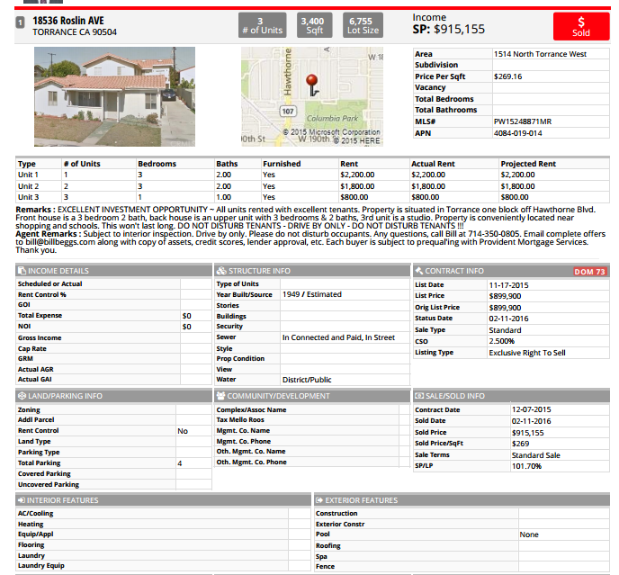

18404 Roslin
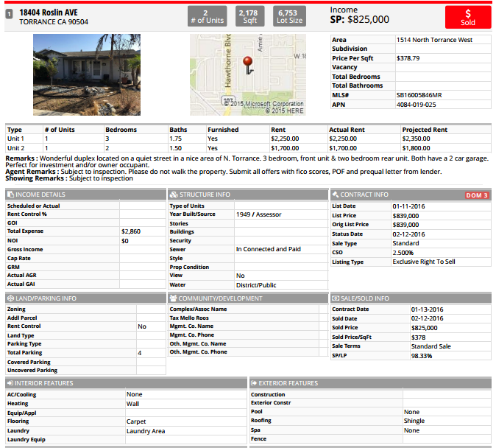

18136 Regina
